Sales Dashboard
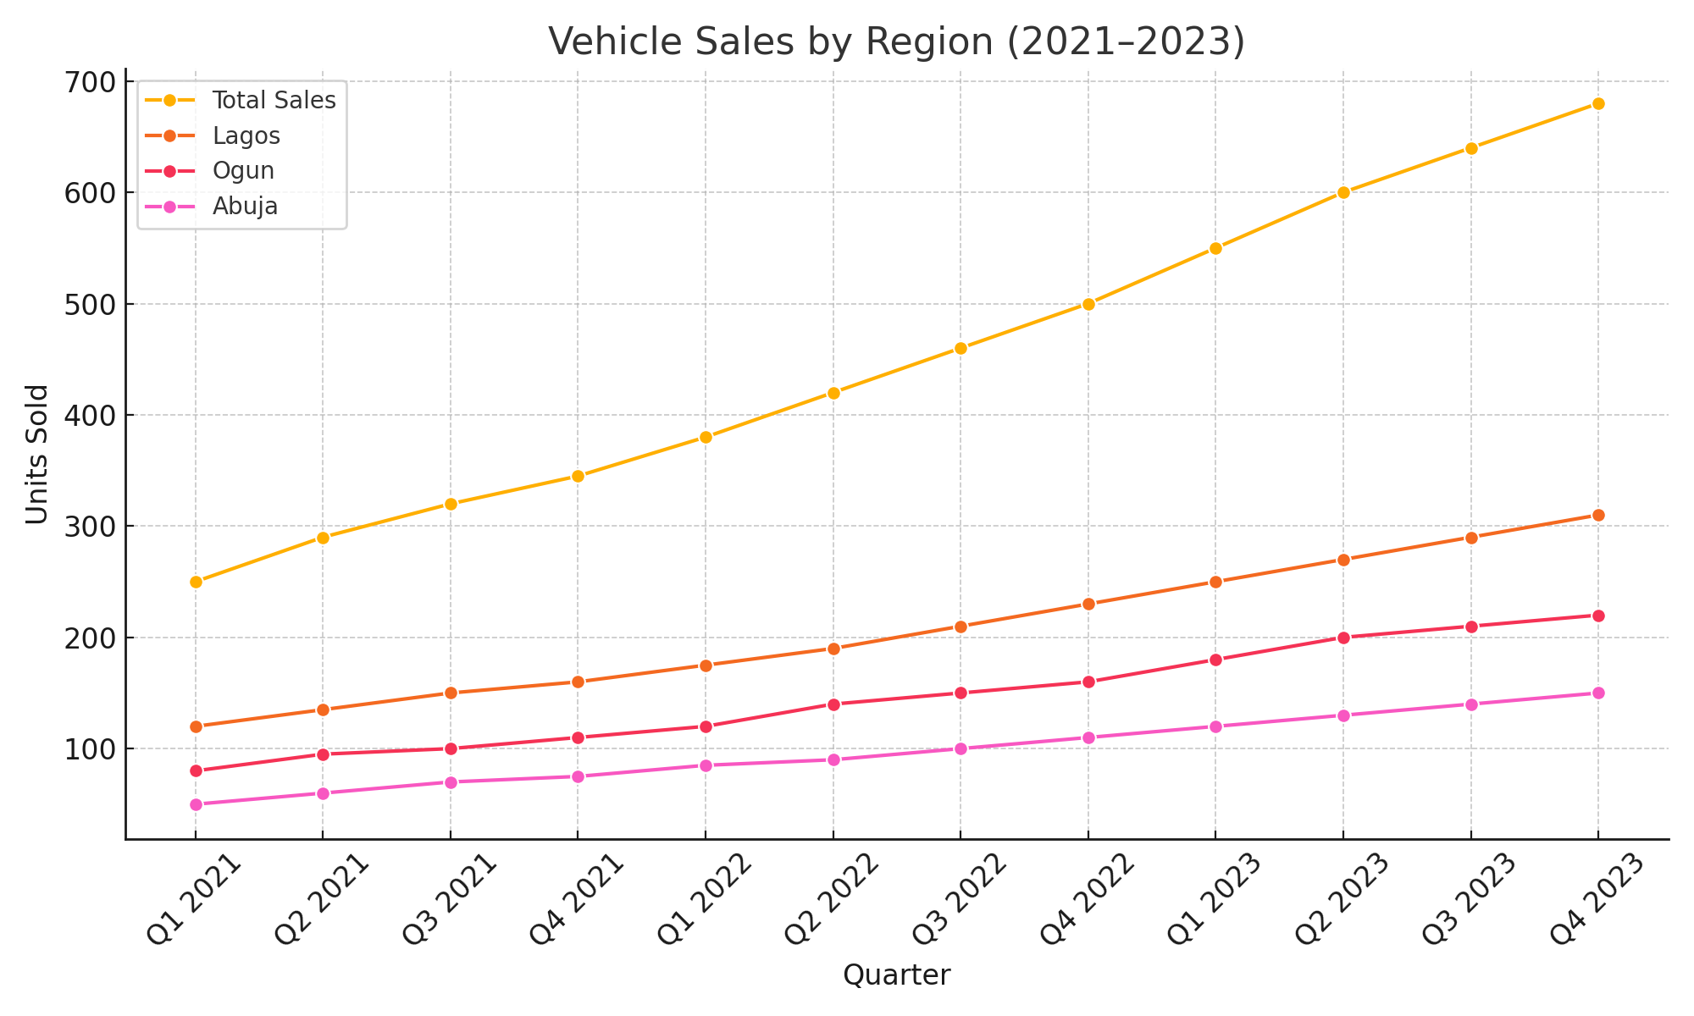
Quarter | Lagos | Ogun | Abuja | Total Sales
Q1 2021 | 120 | 80 | 50 | ₦250.00
Q2 2021 | 135 | 95 | 60 | ₦290.00
Q3 2021 | 150 | 100 | 70 | ₦320.00
Q4 2021 | 160 | 110 | 75 | ₦345.00
Q1 2022 | 175 | 120 | 85 | ₦380.00
Q2 2022 | 190 | 140 | 90 | ₦420.00
Q3 2022 | 210 | 150 | 100 | ₦460.00
Q4 2022 | 230 | 160 | 110 | ₦500.00
Q1 2023 | 250 | 180 | 120 | ₦550.00
Q2 2023 | 270 | 200 | 130 | ₦600.00
Q3 2023 | 290 | 210 | 140 | ₦640.00
Q4 2023 | 310 | 220 | 150 | ₦680.00

